TXT-5100
http://up-s.com/txt/PDF/series5100.pdf

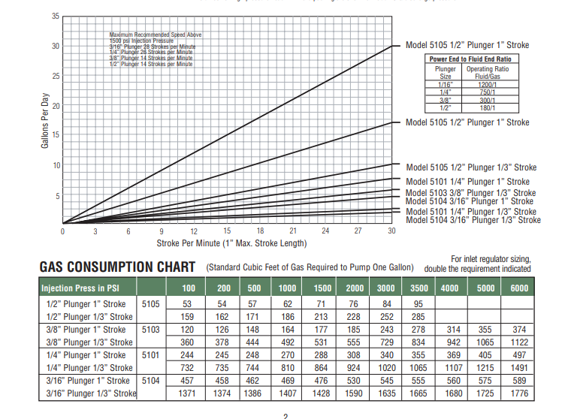

 | Most common Texteam arrangement is 3/8" plunger - 1" stroke

